data analysis
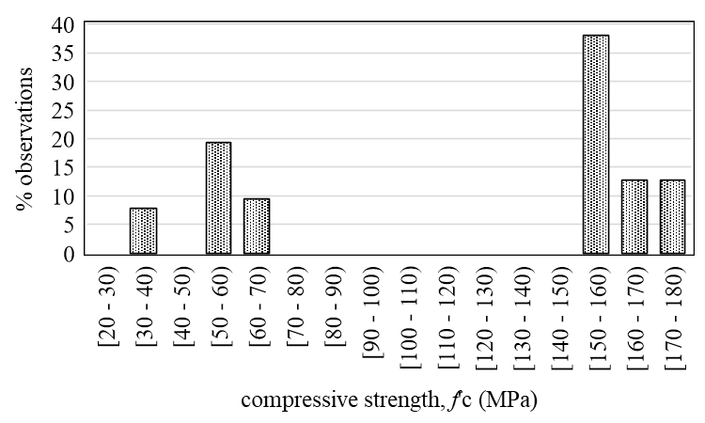
Table: Analysis for Fig. S1(a)
Compressive strength, f'c | # observation | % observation
32.1 | 8
40 | 14
150 | 60
151 - 173 | 43
51.1 - 52.2 | 10
52.3, 55.4 | 30
61 | 15
57.7 | 11
57.4 | 4
60 | 12
[above is calcuated for uniform bins below.]
[20 - 30) | 0 | 0.000
[30 - 40) | 22 | 7.746
[40 - 50) | 0 | 0.000
[50 - 60) | 55 | 19.366 |  |  | Fig. S1(a)
[60 - 70) | 27 | 9.507
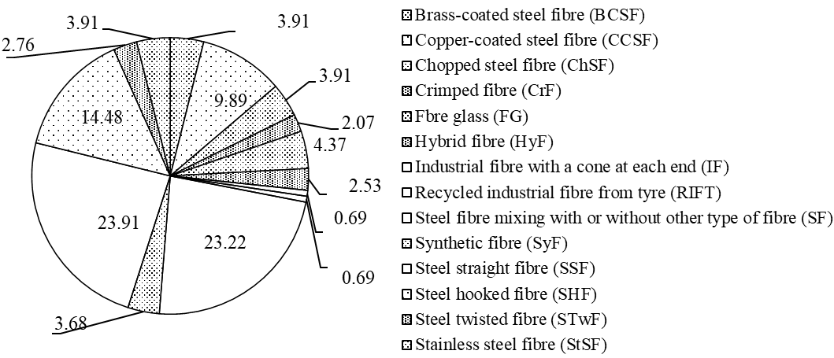
[70 - 80) | 0 | 0.000
[80 - 90) | 0 | 0.000
[90 - 100) | 0 | 0.000
[100 - 110) | 0 | 0.000
[110 - 120) | 0 | 0.000
[120 - 130) | 0 | 0.000
[130 - 140) | 0 | 0.000
[140 - 150) | 0 | 0.000
[150 - 160) | 108 | 38.028
[160 - 170) | 36 | 12.676
[170 - 180) | 36 | 12.676
Total | 284

Table: Analysis for Fig. S1(b)
Type of fibre | # publication | % | # observations | % observation
Brass-coated steel fibre (BCSF) | 1 | 4 | 17 | 3.91
Copper-coated steel fibre (CCSF) | 1 | 4 | 43 | 9.89 | Fig. S1(b)
Chopped steel fibre (ChSF) | 1 | 4 | 17 | 3.91
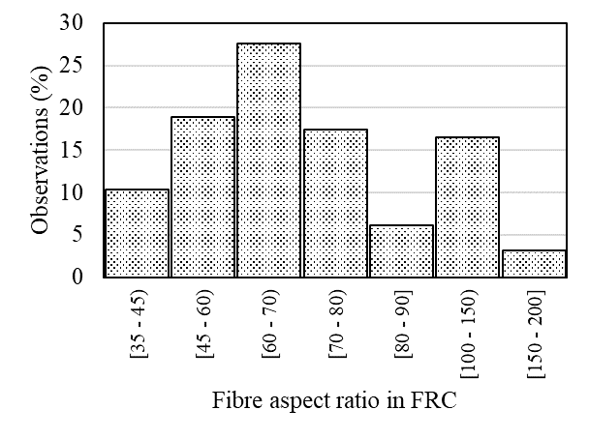
Crimped fibre (CrF) | 1 | 4 | 9 | 2.07
Fbre glass (FG) | 1 | 4 | 19 | 4.37
Hybrid fibre (HyF) | 1 | 4 | 11 | 2.53
Industrial fibre with a cone at each end (IF) | 1 | 4 | 3 | 0.69
Recycled industrial fibre from tyre (RIFT) | 1 | 4 | 3 | 0.69
Steel fibre mixing with or without other type of fibre (SF) | 5 | 18 | 101 | 23.22
Synthetic fibre (SyF) | 2 | 7 | 16 | 3.68
Steel straight fibre (SSF) | 4 | 14 | 104 | 23.91
Steel hooked fibre (SHF) | 7 | 25 | 63 | 14.48
Steel twisted fibre (STwF) | 1 | 4 | 12 | 2.76
Stainless steel fibre (StSF) | 1 | 4 | 17 | 3.91
Total | 28 |  | 435

Table: Analaysis for Fig. S1(c)
Fibre aspect ratio | # observation | % observation
[35 - 45) | 56 | 10.29
[45 - 60) | 103 | 18.93 |  |  | Fig. S1(c)
[60 - 70) | 150 | 27.57
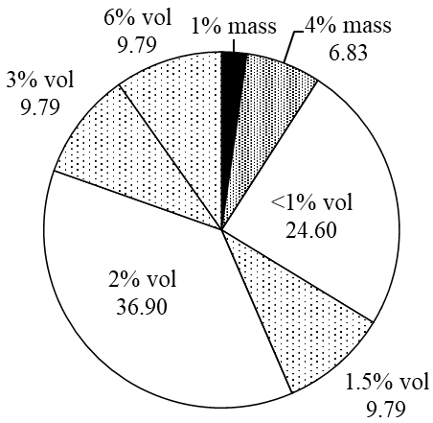
[70 - 80) | 95 | 17.46
[80 - 90] | 33 | 6.07
[100 - 150) | 90 | 16.54
[150 - 200] | 17 | 3.13
Total | 544

Table: Analysis for Fig. S1(d)
% Fibre by volume | # observation | % observation
1% mass | 10 | 2.28
4% mass | 30 | 6.83
<1% vol | 108 | 24.60
1.5% vol | 43 | 9.79
2% vol | 162 | 36.90
3% vol | 43 | 9.79
6% vol | 43 | 9.79
Total | 439

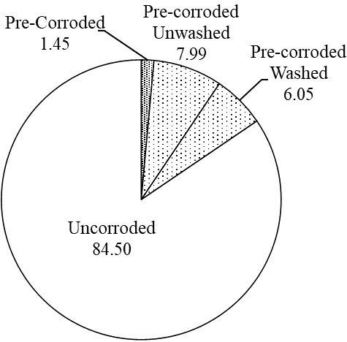
Table: Analysis for Fig. S1(e) |  |  |  |  | Fig. S1(d)
Fibre corrosion condition prior to cast | # publication | % | # observation | % observation
Pre-Corroded | 2 | 8 | 6 | 1.45
Pre-corroded Unwashed | 3 | 13 | 33 | 7.99
Pre-corroded Washed | 2 | 8 | 25 | 6.05
Uncorroded | 17 | 71 | 349 | 84.50
Total | 24 |  | 413

Table: Analysis for Fig. S1(f)
minimum dimension of specimen/fibre length | # observation | % observation
0.430 | 5 | 0.962
0.625 | 6 | 1.154
0.750 | 6 | 1.154
0.830 | 24 | 4.615
1.670 | 14 | 2.692
1.875 | 10 | 1.923
1.876 | 3 | 0.577
2.000 | 8 | 1.538
2.564 | 9 | 1.731 |  |  | Fig. S1(e)
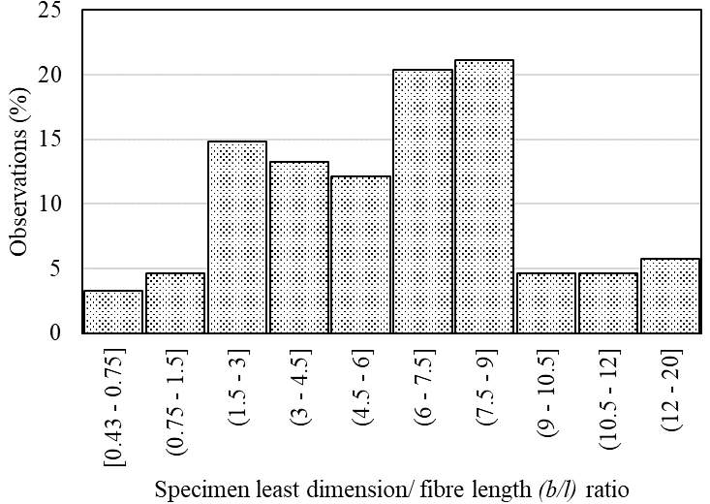
2.857 | 33 | 6.346
3.330 | 14 | 2.692
3.750 | 45 | 8.654
3.750 | 10 | 1.923
4.688 | 24 | 4.615
5.076 | 9 | 1.731
5.260 | 30 | 5.769
6.250 | 43 | 8.269
6.670 | 18 | 3.462
7.500 | 45 | 8.654
7.690 | 11 | 2.115
8.030 | 72 | 13.846
8.333 | 19 | 3.654
9.090 | 8 | 1.538
9.375 | 24 | 4.615
12.500 | 21 | 4.038
19.231 | 9 | 1.731
Total | 520
[Above is calculated for uniform distribution below.]
[0.43 - 0.75] |  | 3.27 |  |  | Fig. S1(f)
(0.75 - 1.5] |  | 4.62
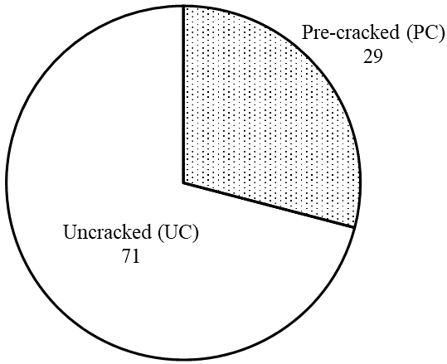
(1.5 - 3] |  | 14.81
(3 - 4.5] |  | 13.27
(4.5 - 6] |  | 12.12
(6 - 7.5] |  | 20.38
(7.5 - 9] |  | 21.15
(9 - 10.5] |  | 4.62
(10.5 - 12] |  | 4.62
(12 - 20] |  | 5.77

Table: Analysis for Fig. S1(g)
PC and UC specimens | # observation | % observation
Pre-cracked (PC) | 125 | 29
Uncracked (UC) | 305 | 71 |  |  | Fig. S1(g)
Total | 430
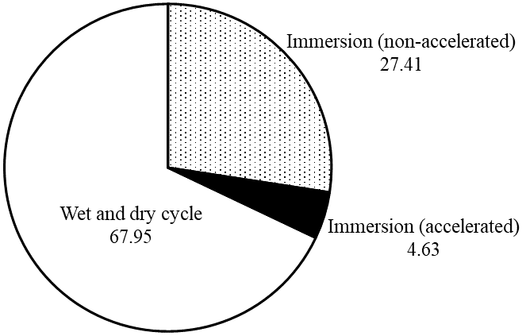
Table: Analysis for Fig. S1(h)
Corrosion technique | # observation | % observation
Immersion (non-accelerated) | 71 | 27.41
Immersion (accelerated) | 12 | 4.63
Wet and dry cycle | 176 | 67.95
Total | 259

Table: Analsyis for Fig. S1(i)
Corrosion evaluation |  |  | # observation | % observation
[1] | Chemical test using Nitric acid |  | 72 | 29.51
[2] | Chloride ion ingress test |  | 3 | 1.23 | Fig. S1(h)
[3] | Half-cell potential |  | 27 | 11.07
[4] | Counting surface corrosion spot |  | 22 | 9.02
[5] | Visualization and SEM |  | 120 | 49.18
Total |  |  | 244

Table: Analysis for Fig. S1(j)
Effect of corrosion evaluation |  |  | # observation | % observation
[1] | Compression |  | 36 | 18.00
[2] | Flexural |  | 110 | 55.00
[3] | Splitting tensile |  | 30 | 15.00
[4] | Direct tensile |  | 12 | 6.00
[5] | Fibre pull-out |  | 12 | 6.00
Total |  |  | 200
 |  |  |  |  | Fig. S1(i)

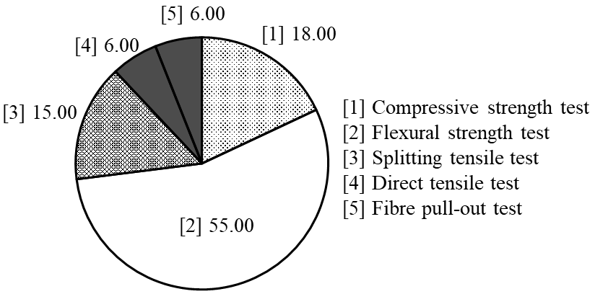

 |  |  |  |  | Fig. S1(j)

